Congestion Direction Issue
Outputs check | Result | Notes
Project Line | I-5 by SMF | Locally stored line geometry:
GP task | Fwy congestion

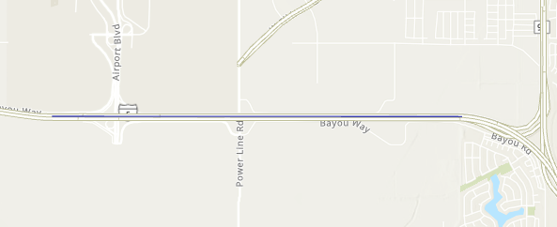
Platform | Result
PPA2 | Correct/as expected
PPA3 GP Script in local | Correct/as expected
PPA3 GP, online | NB direction correctly tagged, and speeds reasonable; SB is tagged as EB, though speed seems reasonable.
PPA3 GP as desktop tool | Correct/as expected

Script comparison | Result
NPMRDS script in GPT = NPMRDS script in desktop? | Scripts identical
Chart maker script in GPT = Chart maker script in desktop? | Substantially same (JSON template path turned into ESRI variable, but same)
Run report script in GPT = Run report script in desktop? | Substantially the same
parameters script in GPT = parameters report script in desktop? | Scripts identical

Input check | Result
Confirm that server version of NPRMDS file has same directions as desktop version | Confirmed directions are the same
All TMC directions correct? | Yes

C:\Users\dconly\Desktop\TempLocalPPA\CongestionRptTestingApr2022
Test run file | Result | Notes
CongestnRptI5SMF_20220425_1023.json | Wrong results ("EB" should've been SB)
CongestnRptI5SMF20220425_1137RestartTool.json | Wrong results (EB/WB instead of NB/SB, and both directions had identical speed values | Restarted GP service before running; run in map viewer
CongestnRptI5SMF20220425_1141.json | Correct/no issues
CongestnRptI5SMF20220425_1144.json | Correct/no issues
CongestnRptI5SMF20220425_1147.json | Wrong results (EB/WB instead of NB/SB, and both directions had identical speed values | Made line squiggle a bit off course (but not significantly); run in map viewer
CongestnRptI5SMF20220425_1156.json | Correct/no issues | run in map viewer
CongestnRptI5SMF20220425_1158.json | Wrong results (EB/WB instead of NB/SB, and both directions had identical speed values | Made line squiggle a bit off course (but not significantly); run in map viewer
CongestnRptI5SMF20220425_1201_desktopsquigg.json | Correct/no issues | Mildly squiggly line, but run on desktop
PPA_I5SMF_squigg042520221321.xlsx | Correct/no issues | Run with PPA2 tool; squiggly line
PPA_I5test042520221033.xlsx | Correct/no issues | Run with PPA2 tool
CongestnRptI5SMFP20220425_1343.json | Correct/no issues | Mildly squiggly line, run via WAB
CongestnRptI5SMF20220425_1345.json | Correct/no issues | Significantly squiggly line, run via WAB

